1-1媒体分级标准
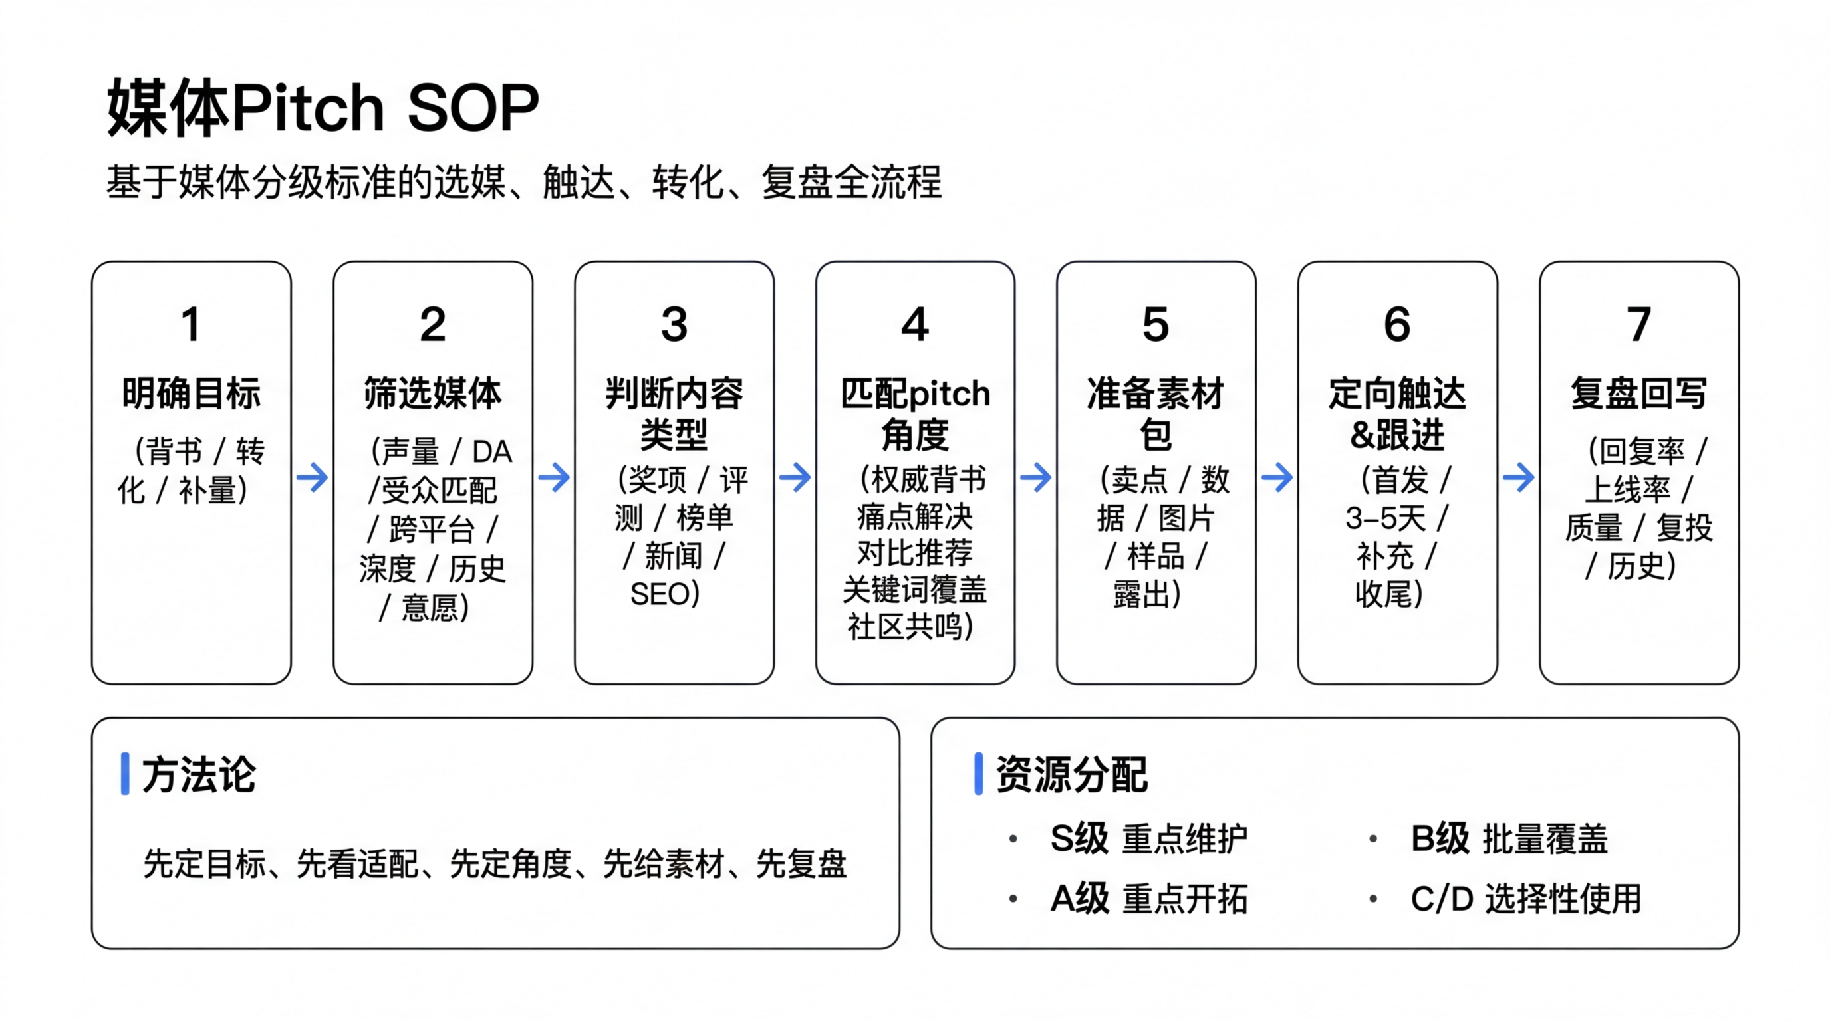
一、策略目标：沉淀可复用的头部媒体资源库 * 通过统一评分体系，从头部媒体中筛选出 S+A+B 核心媒体池，形成一份长期可复用的头部媒体资源库。 * 将一次次分散的 Campaign 投放，沉淀为可积累、可复制的媒体资产，而不是项目结束就归零。 * 在头部和高契合媒体中持续提高品牌出现频率，放大品牌权威感与心智影响力。 二、方法论：统一评分＋分级管理 1. 评分维度 * 影响力：DA 区间、流量 Tier（Top100M / 10–100M / 1–10M / 1M 以下）。 * 受众匹配：媒体受众与目标用户的重合度。 * 内容价值：是否具备测评、榜单、专题等高价值版位。 * 合作历史与意愿：过往合作质量、频次、响应速度和执行可行性。 1. 分级定义 * S 级：全球/区域标杆媒体，是品牌权威与信任背书的核心阵地。 * A 级：高质量主力渠道，支撑新品发布和重点 Campaign 的规模触达。 * B 级：区域与垂类增强及长尾渗透，补齐品类和地域覆盖空白。 * C 级：区域性或细分圈层媒体 三、资源池的运营原则 * 「资源向头部集中」：预算和精力优先向 S / A 媒体倾斜，对高价值 B 级做有选择地深耕，而非平均撒网。 * 「媒体关系长期化」：把核心媒体视为长期合作伙伴，持续经营栏目、专题、评测与奖项机会。 * 「每一单都回流池子」：新合作媒体必须进入评分体系，优质者纳入池子，保证资源库持续进化。 四、对品牌和业务的收益 * 资源沉淀： 所有 PR/品牌预算最终沉淀在一份可复用的核心媒体池里，资产逐年变厚，减少重复摸索和试错成本。 * 影响力放大： 稳定占领核心媒体池，提高在头部媒体中的曝光频次与质量，显著增强品牌背书和新品出圈能力。 * 可复制的方法论： 这套评分模型和资源库结构可以在新市场、新品类直接复制，快速搭建本地头部媒体阵地，缩短品牌起量周期。
核心媒体分级标准 基于媒体重要程度（对媒体声量/媒体权重（DA）/受众匹配度/跨平台覆盖/内容深度/合作历史/媒体意愿度等综合维度）对各类奖项进行综合打分分级 |  |  |  |  |  |  |  | Core Media Grading Standard
评级 | 评分区间 | 说明 |  |  |  |  |  | Grade | Score Range | Description
S级 | 90–100 | 全球或国家级权威媒体，具备极高品牌背书能力与行业影响力，能够显著提升品牌信任与溢价，是品牌“信任锚点”，优先投入核心资源重点合作。 |  |  |  |  |  | S Grade | 90–100 | Global or national‑level authoritative media with extremely strong brand endorsement capability and industry influence, able to significantly enhance brand trust and reputation; serve as key brand “trust anchors” and top‑priority partners for core content cooperation.
A级 | 75–89 | 核心垂类或大众影响力媒体或极高GEO/SEO权重平台，具备良好用户认知与转化能力，能够直接影响消费者决策，是品牌“转化与心智占位”的核心阵地。 |  |  |  |  |  | A Grade | 75–89 | Core vertical or highly influential media within the category, with strong user recognition and conversion ability or GEO/SEO‑valuable platforms, able to directly influence consumer decisions; key channels for “brand transformation and smart reputation‑building”.
B级 | 60–74 | 行业中腰部媒体平台，具备一定覆盖与搜索价值，适合扩大品牌曝光与关键词占位，是“流量与搜索补充层”。 |  |  |  |  |  | B Grade | 60–74 | Mid‑ to upper‑tier media in the industry, providing extensive search value coverage; suitable for expanding brand exposure and capturing important keywords as “traffic and search supplements”.
C级 | 40–59 | 区域性或细分圈层媒体，整体影响力有限，但在特定人群或场景中具备一定价值，适用于补充覆盖与丰富内容分布。 |  |  |  |  |  | C Grade | 40–59 | Regional or niche media with limited overall influence, but providing certain value in specific audience groups or scenarios; suitable as supplementary channels for coverage and content distribution.
D级 | 0–39 | 影响力、权威性及传播价值较低的媒体，对品牌信任与转化贡献有限，不建议投入核心资源，仅在特殊场景下选择性使用。 |  |  |  |  |  | D Grade | 0–39 | Low‑influence or relatively low‑value media with limited contribution to brand trust and conversion; not recommended for core investment and only used selectively for special needs.

评分维度及打分标准
维度 | 子维度说明 | 评分规则 | 分值 |  |  |  |  | Dimension | Sub‑dimension | Scoring Rule | Points
媒体声量 | 覆盖规模（UV / UMV） | Top Tier (≥100M) | 25 |  |  |  |  | Media Reach | Coverage scale (UV / UMV) | Tier Top (≥100M) | 25
 |  | Tier 1 (10~100M) | 20 |  |  |  |  |  |  | Tier 1 (10–100M) | 20
 |  | Tier 2 (1M~10M) | 15 |  |  |  |  |  |  | Tier 2 (1–10M) | 15
 |  | Tier 3 (＜1M) | 10 |  |  |  |  |  |  | Tier 3 (<1M) | 10
媒体权重（DA） | SEO权威性 | 超高（DA: 80-100） | 25 |  |  |  |  | Media Authority (DA) / SEO Authority | DA score | Very high (DA: 80–100) | 25
 |  | 高（DA: 60-79） | 20 |  |  |  |  |  |  | High (DA: 60–79) | 20
 |  | 中（DA: 40-59） | 15 |  |  |  |  |  |  | Medium (DA: 40–59) | 15
 |  | 低（DA: 40以下） | 10 |  |  |  |  |  |  | Low (DA: below 40) | 10
受众匹配度 | 与核心TA重合度 | 精准覆盖 | 15 |  |  |  |  | Audience Fit | Alignment with core target audience | Highly targeted coverage | 15
 |  | 大多重合 | 12 |  |  |  |  |  |  | Mostly aligned | 12
 |  | 部分重合 | 9 |  |  |  |  |  |  | Partially aligned | 9
跨平台覆盖 | 多渠道传播能力 | 全渠道（网站+社媒+纸媒+博客） | 10 |  |  |  |  | Cross‑platform Coverage | Multichannel communication capability | Full coverage (website + social + print + blogs) | 10
 |  | 部分渠道 | 8 |  |  |  |  |  |  | Partial coverage | 8
内容深度 | 内容类型： 超深度（评测/长文/专题） 常规（listicle/短稿） | 超深度 | 15 |  |  |  |  | Content Depth | Content type / depth | High‑depth content (e.g. in‑depth features, long‑form reviews) | 15
 |  | 常规 | 9 |  |  |  |  |  |  | Standard content (e.g. listicles, short reviews) | 9
合作历史 | 品牌合作稳定性 | 长期合作 | 5 |  |  |  |  | Cooperation History | Stability of brand collaboration | Long‑term partnership | 5
 |  | 多次合作 | 4 |  |  |  |  |  |  | Multiple collaborations | 4
 |  | 首次合作 | 3 |  |  |  |  |  |  | First‑time collaboration | 3
媒体意愿度 | 可合作意愿 | 强意愿 | 5 |  |  |  |  | Media Receptiveness | Willingness to cooperate | Highly receptive | 5
 |  | 较高意愿 | 4 |  |  |  |  |  |  | Relatively receptive | 4
 |  | 普通意愿 | 3 |  |  |  |  |  |  | Average receptiveness | 3

核心媒体 Pitch分级标准
评级 | 总分区间 | 定位/目标 | 触达策略 (The Pitch) | 典型特征 | 优先级（维护/开发/测试） | 媒体参考 | 推荐pitch场景
S级 | 90–100 | 全球/国家级权威，品牌信任锚点 | 重点维护： 1对1定制化深度公关。通过线下拜访/线下活动合作、独家首发、专栏合作或长期样机测评建立私交。 | DA80+，Top Tier 声量，精准TA，全渠道 | 已合作=维护；未合作=最高优先级开发，目标尽快转为维护 | 如 What to Expect, BabyCenter, Parents, Wirecutter, Consumer Reports, AAP, CDC, Reddit 核心板块、Amazon/Target 等 | 品牌故事、里程碑、新品首发、权威测评
A级 | 75–89 | 核心垂类，转化心智阵地 | 重点开拓： 半定制化触达。针对编辑偏好发送新品包，主攻 Buying Guides、季节性专题（如 Mother's Day）。 | Tier1声量，DA60+，大多TA重合，超深度内容 | 以开发为主，重点媒体根据合作情况升级为维护 | 如 Verywell Family, Healthline Parenthood, Netmums, Motherly, Babylist, Fast Company, The Strategist, Shop TODAY 等 | 榜单/Best of、礼物清单、重大节日 Campaign（母亲节、黑五等）
B级 | 60–74 | 中腰部，流量搜索与声量补充 | 高频触达：批量化/自动化邮件流。结合 Deal、促销信息、新闻稿群发。 | Tier2声量，DA40+，部分TA，常规内容 | 已合作且CTR/SEO效果好=维护；其余多为测试/批量开发 | 如 MomJunction, Parent Herald, 各州/城市报纸、本地母婴杂志、城市门户、区域博客等 | Deal 信息、主题软文、长期 SEO 占位
C级 | 40–59 | 细分圈层覆盖 | 选择性触达。仅在新品大促或预算富余时，针对极垂直小众圈层投放。 | Tier3声量，低DA，特定圈层 | 默认归为测试；仅在需要覆盖特定圈层/地域时临时激活 | 各类中小妈妈博客、优惠站、生活方式小站、本地小报等 | 长尾搜索、圈层故事、用户口碑
D级 | 0–39 | 低价值 | / | 低声量、低DA、低匹配 | 不纳入维护/开发计划 | 几乎不使用，或仅留作监测

